Sheet2
Sales by Category
Row Labels | Sum of Sales
Accessories | £1,730,453.42
Cameras | £2,468,767.11
Games | £1,118,142.04
Laptops | £2,962,459.62
Memory Cards | £2,966,896.88
Mobile Phones | £1,972,891.94
PC's | £2,201,457.89
Printers | £2,165,598.60
TV's | £668,522.03
Grand Total | £18,255,189.53

Sheet3
Sales by Store
Row Labels | Sum of Sales
Computech | £12,657,946.39
MicroWorld | £5,597,243.14
Grand Total | £18,255,189.53

Sheet4
Sales by Manager
Row Labels | Sum of Sales
Spencer Lee | £1,798,518.59
Grand Total | £1,798,518.59

Sheet5
Sales by Category
Sum of Sales | Column Labels
Row Labels | Computech | MicroWorld | Grand Total
Accessories | £1,114,151.37 | £616,302.05 | £1,730,453.42
Cameras | £1,770,405.28 | £698,361.83 | £2,468,767.11
Games | £934,723.59 | £183,418.45 | £1,118,142.04
Laptops | £1,822,005.71 | £1,140,453.91 | £2,962,459.62
Memory Cards | £1,664,150.35 | £1,302,746.53 | £2,966,896.88
Mobile Phones | £1,610,584.03 | £362,307.91 | £1,972,891.94
PC's | £2,036,693.98 | £164,763.91 | £2,201,457.89
Printers | £1,187,532.28 | £978,066.32 | £2,165,598.60
TV's | £517,699.80 | £150,822.23 | £668,522.03
Grand Total | £12,657,946.39 | £5,597,243.14 | £18,255,189.53

Sample Dashboard
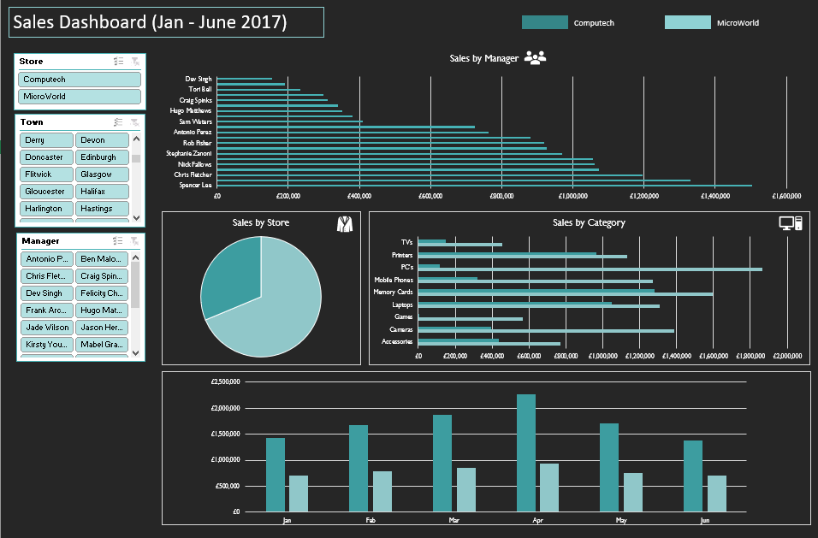

Sheet1
SALES DASHBOARD jan-july 2017

MicroWorld
Computech
Sales by Category
 | Computech | MicroWorld
Accessories | £1,114,151.37 | £616,302.05
Cameras | £1,770,405.28 | £698,361.83
Games | £934,723.59 | £183,418.45
Laptops | £1,822,005.71 | £1,140,453.91
Memory Cards | £1,664,150.35 | £1,302,746.53
Mobile Phones | £1,610,584.03 | £362,307.91
PC's | £2,036,693.98 | £164,763.91
Printers | £1,187,532.28 | £978,066.32
TV's | £517,699.80 | £150,822.23

Sales by Store
 | Total
Computech | £12,657,946.39
MicroWorld | £5,597,243.14
Highest salary earner
 | Total
Spencer Lee | £1,798,518.59

